summary
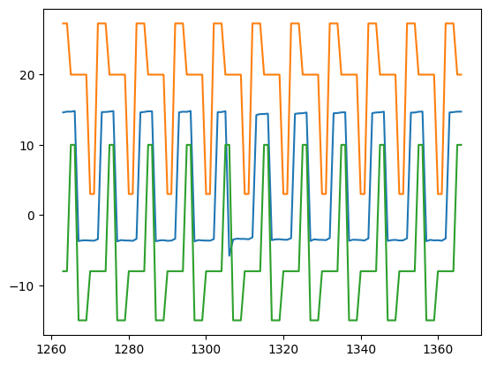
SignalDetect | Glitches Detected | RowDetected
DUT7_Gate_B_Signal | Yes | [131]

